Sheet1
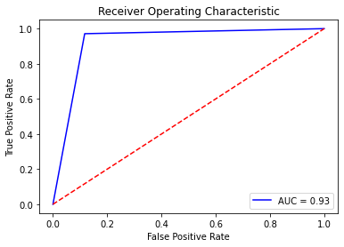
Naïve Bayes |  |  |  | Logistic Regression |  |  |  | Naïve Bayes |  |  |  | XGBoost
 | Precision | Recall | F1-Score |  | Precision | Recall | F1-Score |  | Precision | Recall | F1-Score
0 | 0.99 | 0.58 | 0.73 | 0 | 1 | 0.88 | 0.93 | 0 | 0.99 | 0.58 | 0.73
1 | 0.18 | 0.96 | 0.3 | 1 | 0.43 | 0.96 | 0.59 | 1 | 0.18 | 0.96 | 0.3
accuracy |  |  | 0.61 | accuracy |  |  | 0.89 | accuracy |  |  | 0.61
macro avg | 0.58 | 0.77 | 0.52 | macro avg | 0.71 | 0.92 | 0.76 | Nerual Net
weighted avg | 0.92 | 0.61 | 0.7 | weighted avg | 0.95 | 0.89 | 0.91 |  | Precision | Recall | F1-Score
 |  |  |  |  |  |  |  | 0 | 1 | 0.88 | 0.94
 |  |  |  |  |  |  |  | 1 | 0.43 | 0.96 | 0.6
Nerual Net |  |  |  | XGBoost Pre Tuning |  |  |  | accuracy |  |  | 0.89
 | Precision | Recall | F1-Score |  | Precision | Recall | F1-Score | Logistic Regression
0 | 1 | 0.88 | 0.94 | 0 | 1 | 0.87 | 0.93 |  | Precision | Recall | F1-Score
1 | 0.43 | 0.96 | 0.6 | 1 | 0.41 | 0.96 | 0.58 | 0 | 1 | 0.88 | 0.93
accuracy |  |  | 0.89 | accuracy |  |  | 0.88 | 1 | 0.43 | 0.96 | 0.59
macro avg | 0.71 | 0.92 | 0.77 | macro avg | 0.71 | 0.92 | 0.75 | accuracy |  |  | 0.89
weighted avg | 0.95 | 0.89 | 0.91 | weighted avg | 0.95 | 0.88 | 0.9 | XGBoost
 |  |  |  |  |  |  |  |  | Precision | Recall | F1-Score | Random Forest
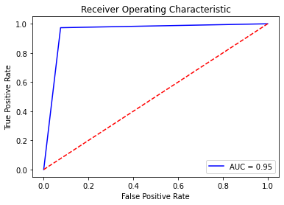
 |  |  |  |  |  |  |  | 0 | 1 | 0.88 | 0.94
Random Forest Pre Tuning |  |  |  | XGBoost Post Tuning |  |  |  | 1 | 0.43 | 0.97 | 0.6
 | Precision | Recall | F1-Score |  | Precision | Recall | F1-Score | accuracy |  |  | 0.89
0 | 1 | 0.92 | 0.96 | 0 | 1 | 0.88 | 0.94 | Random Forest
1 | 0.53 | 0.97 | 0.68 | 1 | 0.43 | 0.97 | 0.6 |  | Precision | Recall | F1-Score
accuracy |  |  | 0.92 | accuracy |  |  | 0.89 | 0 | 1 | 0.93 | 0.96
macro avg | 0.76 | 0.95 | 0.82 | macro avg | 0.72 | 0.93 | 0.77 | 1 | 0.55 | 0.97 | 0.7
weighted avg | 0.96 | 0.92 | 0.93 | weighted avg | 0.95 | 0.89 | 0.91 | accuracy |  |  | 0.93

Random Forest Post Tuning
 | Precision | Recall | F1-Score
0 | 1 | 0.93 | 0.96
1 | 0.55 | 0.97 | 0.7
accuracy |  |  | 0.93
macro avg | 0.77 | 0.95 | 0.83
weighted avg | 0.96 | 0.93 | 0.94

